Pivot_Tables
Revenue By City
Total Revenue By City
Row Labels | Sum of Final_Amount | Total Revenue | Total Orders | Average of Rating | Average Delivery time | Total Discount | Cancelled Orders
Delhi | 2151621 | ₹ 8.6M | 15000 | 4.00 | 41.53 | ₹ 1.87M | ₹15K
Mumbai | 1873299
Bengaluru | 1740565
Hyderabad | 1530578 | Total Revenue | Total Orders | Average of Rating | Average Delivery time | Total Discount | Cancelled Orders
Pune | 1276945 | ₹8.6M | 15,000 | 4.00 | 41.53 Min. | ₹1.87M | ₹ 15K
Grand Total | 8573008

Top Restaurants by Revenue
Top Restarunts
Row Labels | Sum of Final_Amount
Burger King | 1755516
Biryani Blues | 1531053
Domino's | 1523601
Haldiram's | 1386266
KFC | 1270004
Starbucks | 1106568
Grand Total | 8573008

4. Order By Cuisine
Cuisine Analysis
Row Labels | Count of Order_ID
Biryani | 2654
Cafe | 1894
Fast Food | 5313
North Indian | 2438
Pizza | 2701
Grand Total | 15000

Monthly Revenue Trend
Monthly Revenue
Row Labels | Sum of Final_Amount
Jan | 684449
Feb | 668205
Mar | 716135
Apr | 709436
May | 708706
Jun | 718588
Jul | 744777
Aug | 710910
Sep | 718902
Oct | 752913
Nov | 676302
Dec | 763685
Grand Total | 8573008

6. Order Status
Order Status
Row Labels | Count of Order_ID
Cancelled | 3733
Delivered | 11267
Grand Total | 15000

7. Delivery Partner Performance
Delivery Partner
Row Labels | Count of Order_ID
Delivery Partner X | 3813
Rapido | 3709
Shadowfax | 3740
Zomato Fleet | 3738
Grand Total | 15000

Average Rating
Row Labels | Average of Rating
Biryani Blues | 4.00
Burger King | 3.99
Domino's | 3.99
Haldiram's | 4.01
KFC | 4.00
Starbucks | 4.00
Grand Total | 4.00

5. Payment mode distribution
Payment mode distribution
Row Labels | Count of Order_ID
Cash | 1476
Credit Card | 2194
Debit Card | 1519
UPI | 8336
Wallet | 1475
Grand Total | 15000

Dashboard
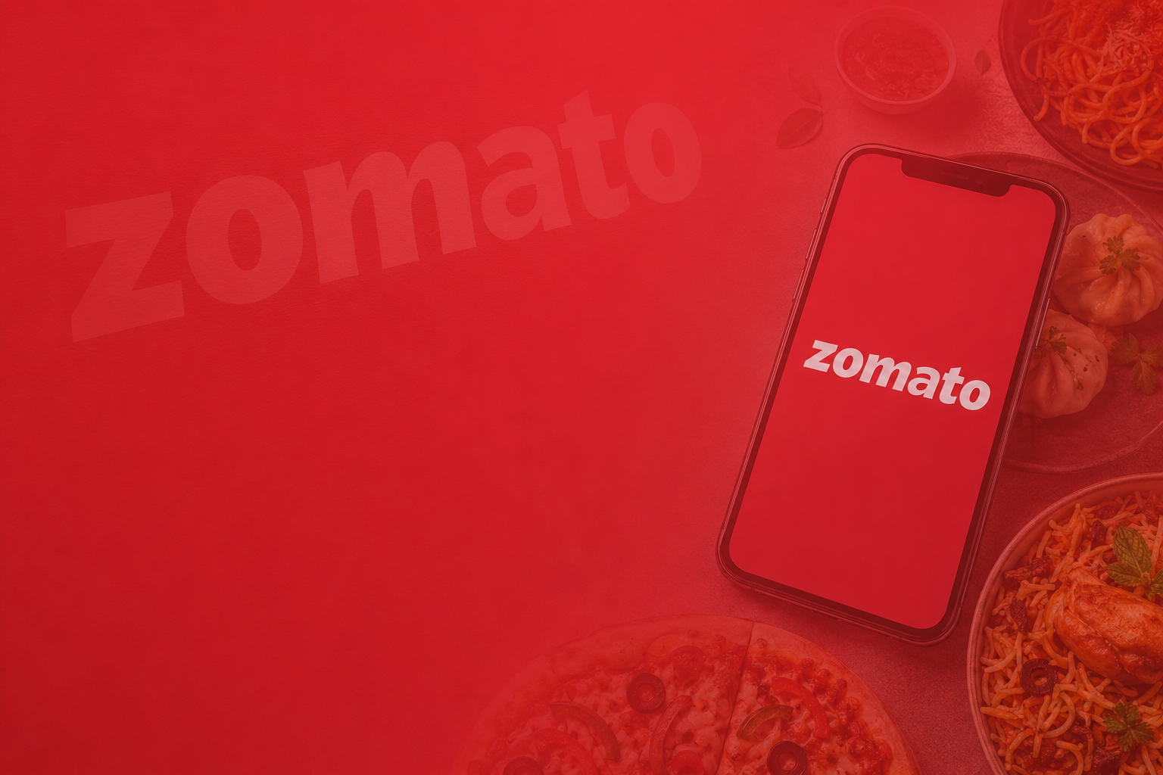

ZOMATO SALES DASHBOARD
Data as on:
31-Dec-2025

💰Total Revenue
🛒Total Orders
⭐Avg Rating
🚚 Avg Delivery Time
💳Total Discount

₹8.6M
15,000
4.00
41.53 Min.
₹1.87M

1. Top Restaurants by Revenue
 | Total
Burger King | 1755516
Biryani Blues | 1531053
Domino's | 1523601
Haldiram's | 1386266
KFC | 1270004
Starbucks | 1106568
2. Revenue By City
 | Total
Delhi | 2151621
Mumbai | 1873299
Bengaluru | 1740565
Hyderabad | 1530578
Pune | 1276945
3. Monthly Revenue Trend
 | Total
Jan | 684449
Feb | 668205
Mar | 716135
Apr | 709436
May | 708706
Jun | 718588
Jul | 744777
Aug | 710910
Sep | 718902
Oct | 752913
Nov | 676302
Dec | 763685

4. Order By Cuisine
 | Total
Biryani | 2654
Cafe | 1894
Fast Food | 5313
North Indian | 2438
Pizza | 2701
5. Payment mode distribution
 | Total
Cash | 1476
Credit Card | 2194
Debit Card | 1519
UPI | 8336
Wallet | 1475
6. Order Status
 | Total
Cancelled | 3733
Delivered | 11267
7. Delivery Partner Performance
 | Total
Delivery Partner X | 3813
Rapido | 3709
Shadowfax | 3740
Zomato Fleet | 3738

